Hiearchy View
REMOVE | N | BARRIER

PROBLEM_DESC | CAUSE_DESC | REMEDY_DESC
BROKEN/DAMAGED | DAMAGED/BROKEN
 | DESIGN RELATED
 | DIRTY
 | EXPECTED WEAR AND TEAR
 | FABRICATION/INSTALLATION RELATED
 | IMPROPER MATERIAL
 | NO CAUSE FOUND
 | OPERATIONS/MAINTENANCE RELATED
 | OTHER CAUSE
 | POWER SUPPLY
 | RUST/CORROSION
 | OBSTRUCTED
 | LOOSE
BROKEN/DAMAGED Total
LIGHTING
OTHER PROBLEM
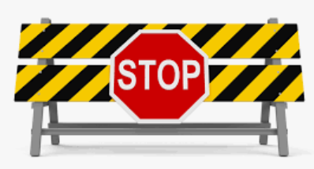
POWER-ELEC
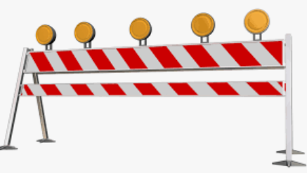
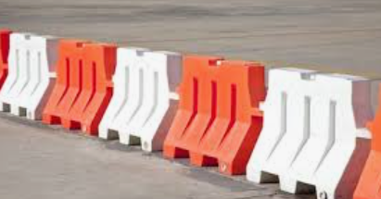
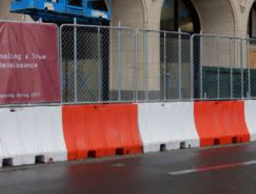
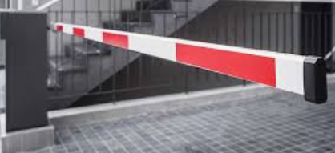
Grand Total

